Sheet2
 | Student Gender: I am a | Phone Usage: On average, my monthly mobile phone bill is ___________ dollars (Enter 0 if you do not use a mobile phone). | Earning status: On average, I earn/receive___________ dollars in a month (this may include money received from any source including parent support). | Type of mobile phone used by students: What is the brand of your mobile phone that you are currently using? | Price of the Galaxy = price the iPhone (0% discount) | The Galaxy is 5 % cheaper than the iPhone. | The Galaxy is 10 % cheaper than the iPhone. | The Galaxy is 15 % cheaper than the iPhone. | The Galaxy is 20% cheaper than the iPhone. | The Galaxy is 25% cheaper than the iPhone. | The Galaxy is 30% cheaper than the iPhone. | The Galaxy is 35% cheaper than the iPhone. | The Galaxy is 40% cheaper than the iPhone. | The Galaxy is 45% cheaper than the iPhone. | The Galaxy is 50% cheaper than the iPhone.
Responce No | Q1 | Q2 | Q3 | Q4 | Q5A | Q5B | Q5C | Q5D | Q5E | Q5F | Q5G | Q5H | Q5I | Q5J | Q5K
576 | Female | 45 | 200 | Apple | No | No | No | No | Yes | Yes | Yes | Yes | Yes | Yes | Yes
158 | Female | 30 | 400 | Apple | No | No | No | No | Yes | Yes | Yes | Yes | Yes | Yes | Yes
114 | Female | 80 | 2400 | LG | Yes | Yes | Yes | Yes | Yes | Yes | Yes | Yes | Yes | Yes | Yes
612 | Female | 40 | 1400 | Other smartphone | No | No | No | No | Yes | Yes | Yes | Yes | Yes | Yes | Yes
502 | Female | 30 | 1000 | Apple | No | No | No | No | No | No | No | No | No | No | No
567 | Female | 50 | 1300 | Apple | No | No | No | No | No | No | No | No | No | No | No
512 | Female | 20 | 1400 | Samsung | No | No | Yes | Yes | Yes | Yes | Yes | Yes | Yes | Yes | Yes
448 | Female | 50 | 1200 | Other smartphone | Yes | Yes | Yes | Yes | Yes | Yes | Yes | Yes | Yes | Yes | Yes
7 | Female | 70 | 800 | Apple | No | No | No | No | No | No | No | No | No | No | Yes
404 | Female | 100 | 2800 | Apple | No | No | No | No | No | No | No | No | No | No | No
346 | Female | 40 | 500 | Apple | No | No | Yes | No | No | No | No | No | No | No | No
290 | Female | 100 | 2300 | Apple | No | No | No | No | No | No | No | No | No | No | No
89 | Female | 40 | 800 | Apple | No | No | No | No | No | No | No | No | No | No | No
650 | Female | 70 | 1500 | Apple | No | No | No | No | No | No | No | No | No | No | Yes
634 | Female | 100 | 1300 | Apple | No | No | No | No | No | Yes | Yes | Yes | Yes | Yes | Yes
594 | Female | 85 | 2000 | Apple | No | No | No | No | No | No | No | No | No | No | Yes
279 | Female | 200 | 1000 | Apple | No | No | No | No | No | No | No | No | No | Yes | Yes
520 | Female | 150 | 2500 | Apple | No | No | No | No | No | No | No | No | No | No | No
25 | Female | 50 | 300 | Apple | No | No | No | No | No | No | No | No | No | Yes | Yes
9 | Female | 60 | 1500 | Apple | No | No | No | No | No | No | Yes | Yes | Yes | Yes | Yes
246 | Female | 70 | 1000 | Apple | No | No | No | No | No | No | No | No | Yes | Yes | Yes
429 | Female | 58 | 2500 | Other smartphone | Yes | Yes | Yes | Yes | Yes | Yes | Yes | Yes | Yes | Yes | Yes
369 | Female | 40 | 400 | Apple | No | No | No | Yes | No | No | No | No | No | No | No
236 | Female | 45 | 1800 | Samsung | Yes | Yes | Yes | Yes | Yes | Yes | Yes | Yes | Yes | Yes | Yes
143 | Female | 70 | 400 | Other smartphone | Yes | Yes | Yes | Yes | Yes | Yes | Yes | Yes | Yes | Yes | Yes
474 | Female | 40 | 1200 | Apple | No | No | No | No | Yes | Yes | Yes | Yes | Yes | Yes | Yes
339 | Female | 39.9 | 1000 | Apple | No | Yes | No | No | No | No | No | No | No | No | No
354 | Female | 26 | 1500 | Apple | No | No | No | No | No | No | No | No | Yes | Yes | Yes
472 | Female | 40 | 1600 | Samsung | Yes | Yes | Yes | Yes | Yes | Yes | Yes | Yes | Yes | Yes | Yes
440 | Female | 40 | 2000 | Samsung | Yes | No | No | No | No | No | No | No | No | No | No
550 | Female | 90 | 4000 | Apple | Yes | Yes | Yes | Yes | Yes | Yes | Yes | Yes | Yes | Yes | Yes
198 | Female | 80 | 120 | Apple | No | No | No | No | No | No | No | No | Yes | Yes | Yes
207 | Female | 30 | 550 | Apple | No | No | No | No | No | No | No | No | No | No | No
137 | Female | 80 | 1000 | Apple | No | No | No | No | No | No | No | No | No | No | No
653 | Female | 90 | 700 | Apple | No | No | No | No | No | No | No | Yes | Yes | Yes | Yes
305 | Female | 80 | 1400 | Apple | No | No | Yes | Yes | Yes | Yes | Yes | Yes | Yes | Yes | Yes
676 | Female | 40 | 1000 | Apple | No | No | No | No | No | No | No | No | No | No | No
314 | Female | 50 | 2024 | Apple | No | No | No | No | No | Yes | Yes | Yes | Yes | Yes | Yes
38 | Female | 35 | 0 | Samsung | Yes | Yes | Yes | Yes | Yes | Yes | Yes | Yes | Yes | Yes | Yes
62 | Female | 40 | 650 | Samsung | Yes | Yes | Yes | Yes | Yes | Yes | Yes | Yes | Yes | Yes | Yes
523 | Female | 40 | 1000 | Apple | No | No | Yes | Yes | Yes | Yes | Yes | Yes | Yes | Yes | Yes
370 | Female | 10 | 0 | Other smartphone | Yes | Yes | Yes | Yes | Yes | Yes | Yes | Yes | Yes | Yes | Yes
76 | Female | 75 | 1125 | Other smartphone | No | No | No | Yes | Yes | Yes | Yes | Yes | Yes | Yes | Yes
582 | Female | 70 | 500 | Apple | No | No | Yes | No | No | No | No | No | No | No | No
199 | Female | 95 | 2500 | Apple | No | No | No | No | No | Yes | Yes | Yes | Yes | Yes | Yes
250 | Female | 70 | 3000 | Apple | No | No | No | No | No | No | No | No | No | No | No
202 | Female | 100 | 4000 | Apple | Yes | Yes | Yes | Yes | Yes | Yes | Yes | Yes | Yes | Yes | Yes
248 | Female | 70 | 2200 | Apple | No | No | No | No | Yes | Yes | Yes | Yes | Yes | Yes | Yes
70 | Female | 30 | 750 | Other smartphone | No | No | No | No | No | No | No | No | No | No | Yes
165 | Female | 25 | 1400 | Apple | No | No | No | No | No | Yes | Yes | Yes | Yes | Yes | Yes
88 | Female | 78 | 1400 | Apple | No | No | No | No | No | No | No | No | No | No | No
174 | Female | 30 | 230 | Samsung | Yes | Yes | Yes | Yes | Yes | Yes | Yes | Yes | Yes | Yes | Yes
453 | Female | 35 | 1000 | Other smartphone | No | Yes | Yes | No | No | No | No | No | No | No | No
439 | Female | 60 | 2000 | Other smartphone | No | No | No | No | No | No | No | No | Yes | Yes | Yes
522 | Female | 90 | 2400 | Samsung | Yes | Yes | Yes | Yes | Yes | Yes | Yes | Yes | Yes | Yes | Yes
40 | Female | 35 | 145 | Apple | No | No | No | No | No | No | No | No | No | Yes | Yes
510 | Female | 40 | 1600 | Apple | No | Yes | Yes | Yes | Yes | Yes | Yes | Yes | Yes | Yes | Yes
176 | Female | 95 | 1000 | Apple | No | No | No | No | No | No | No | No | No | Yes | Yes
566 | Female | 30 | 700 | Apple | No | No | No | No | No | Yes | Yes | Yes | Yes | Yes | Yes
420 | Female | 30 | 600 | Apple | No | No | No | No | No | No | No | No | No | No | Yes
46 | Female | 50 | 800 | Other smartphone | Yes | Yes | Yes | Yes | Yes | Yes | Yes | Yes | Yes | Yes | Yes
588 | Female | 40 | 3000 | Samsung | No | No | Yes | Yes | Yes | Yes | Yes | Yes | Yes | Yes | Yes
598 | Female | 100 | 800 | Apple | No | No | No | No | No | No | No | Yes | Yes | Yes | Yes
221 | Female | 74 | 1408 | Apple | No | No | No | No | No | No | No | No | No | Yes | Yes
504 | Female | 50 | 400 | Apple | No | No | No | No | No | No | No | No | No | No | No
616 | Female | 40 | 1000 | Apple | Yes | No | No | No | No | No | No | No | No | No | No
372 | Female | 32.5 | 1100.9 | Apple | No | No | Yes | Yes | Yes | Yes | Yes | Yes | Yes | Yes | Yes
530 | Female | 100 | 4000 | Apple | No | No | No | No | No | No | No | No | No | No | No
17 | Female | 60 | 2500 | Apple | No | No | No | No | No | No | No | No | No | Yes | Yes
391 | Female | 80 | 1500 | Apple | No | No | No | No | No | No | No | No | No | No | No
552 | Female | 40 | 0 | Apple | No | Yes | No | No | No | No | No | No | No | No | No
533 | Female | 100 | 2500 | Apple | Yes | No | No | No | No | No | No | No | No | No | No
468 | Female | 139 | 6107.36 | Apple | No | No | No | No | No | No | No | No | No | No | No
145 | Female | 50 | 400 | LG | Yes | Yes | Yes | Yes | Yes | Yes | Yes | Yes | Yes | Yes | Yes
539 | Female | 110 | 1200 | Apple | Yes | No | No | No | No | No | No | No | No | No | No
548 | Female | 120 | 3000 | Apple | No | No | No | No | No | No | No | No | Yes | No | No
26 | Female | 70 | 800 | Samsung | No | No | No | No | No | Yes | Yes | Yes | Yes | Yes | Yes
186 | Female | 80 | 1450 | Apple | Yes | No | No | No | Yes | Yes | Yes | Yes | Yes | Yes | Yes
175 | Female | 55 | 1600 | Other smartphone | Yes | Yes | Yes | Yes | Yes | Yes | Yes | Yes | Yes | Yes | Yes
307 | Female | 39 | 2600 | Samsung | Yes | Yes | Yes | Yes | Yes | Yes | Yes | Yes | Yes | Yes | Yes
81 | Female | 80 | 1000 | Apple | No | No | No | No | No | No | No | No | No | No | No
272 | Male | 5 | 0 | Samsung | Yes | No | No | No | No | No | No | No | No | No | No
627 | Male | 40 | 1940 | Apple | Yes | Yes | Yes | No | No | No | No | No | No | No | No
496 | Male | 60 | 820 | Apple | No | No | Yes | Yes | Yes | Yes | Yes | Yes | Yes | Yes | Yes
303 | Male | 50 | 0 | Other smartphone | No | No | No | No | No | No | No | No | No | No | No
112 | Male | 45 | 1000 | Apple | No | No | No | No | No | No | No | No | No | No | No
227 | Male | 90 | 0 | Apple | No | No | No | No | No | No | No | No | No | No | No
223 | Male | 60 | 650 | Apple | No | No | No | No | No | No | No | No | Yes | Yes | Yes
100 | Male | 95 | 100 | Apple | No | No | No | No | No | No | No | No | No | No | No
284 | Male | 30 | 200 | Samsung | Yes | Yes | Yes | Yes | Yes | Yes | Yes | Yes | Yes | Yes | Yes
84 | Male | 20 | 750 | Apple | No | No | No | No | No | No | No | No | Yes | Yes | Yes
153 | Male | 75 | 1000 | Apple | No | No | No | No | No | No | No | No | No | No | No
306 | Male | 80 | 1800 | Apple | No | No | No | No | No | No | No | No | No | No | No
113 | Male | 40 | 800 | Apple | No | No | No | No | No | No | No | No | No | No | No
451 | Male | 170 | 3000 | Apple | No | No | No | No | No | No | Yes | Yes | Yes | Yes | Yes
396 | Male | 40 | 1500 | LG | Yes | Yes | Yes | Yes | Yes | Yes | Yes | Yes | Yes | Yes | Yes
83 | Male | 79 | 1000 | Apple | Yes | Yes | Yes | Yes | Yes | Yes | Yes | Yes | Yes | Yes | Yes
387 | Male | 50 | 2000 | Apple | No | No | No | No | No | Yes | Yes | Yes | Yes | Yes | No
663 | Male | 90 | 325 | Apple | Yes | No | No | No | No | No | No | No | No | No | No
37 | Male | 40 | 1000 | Other smartphone | No | No | No | No | No | Yes | Yes | Yes | Yes | Yes | Yes
298 | Male | 40 | 1000 | Apple | No | No | No | No | No | No | No | No | No | No | No
537 | Male | 100 | 600 | Samsung | Yes | Yes | Yes | Yes | Yes | Yes | Yes | Yes | Yes | Yes | Yes
205 | Male | 60 | 400 | Other smartphone | No | No | No | No | No | No | No | No | No | No | No
179 | Male | 92 | 1600 | Apple | No | No | No | No | No | No | No | No | No | No | Yes
412 | Male | 60 | 700 | Apple | No | No | No | No | No | No | No | No | No | No | No
311 | Male | 80 | 2000 | Apple | No | No | No | No | Yes | Yes | Yes | Yes | Yes | Yes | Yes
540 | Male | 30 | 400 | Apple | No | No | No | No | No | No | No | No | No | No | No
553 | Male | 40 | 1120 | Other smartphone | No | No | Yes | Yes | Yes | Yes | Yes | Yes | Yes | Yes | Yes
32 | Male | 103 | 1500 | Apple | No | No | No | No | No | No | No | No | No | No | No
450 | Male | 40 | 2500 | Apple | No | No | No | Yes | Yes | Yes | Yes | Yes | Yes | Yes | Yes
503 | Male | 35 | 650 | Apple | No | Yes | No | No | No | No | No | No | No | No | No
214 | Male | 20 | 1800 | Samsung | No | No | No | No | No | No | Yes | Yes | Yes | Yes | Yes
382 | Male | 35 | 0 | Other smartphone | No | Yes | No | No | No | No | No | No | No | No | No
546 | Male | 120 | 400 | Apple | No | No | No | No | No | No | No | No | Yes | Yes | Yes
393 | Male | 40 | 2000 | Apple | Yes | No | No | No | No | No | No | No | No | No | No
395 | Male | 50 | 1000 | Apple | No | No | No | No | No | No | No | No | Yes | Yes | Yes
116 | Male | 60 | 500 | Apple | No | No | No | No | No | No | Yes | Yes | Yes | Yes | Yes
138 | Male | 27 | 500 | Apple | No | No | No | No | No | No | No | Yes | Yes | Yes | Yes
583 | Male | 50 | 1500 | Apple | No | No | No | No | No | No | No | No | No | No | No
643 | Male | 130 | 1600 | Apple | No | No | No | No | No | No | No | No | No | No | No
379 | Male | 50 | 2000 | Apple | No | No | No | No | No | No | Yes | Yes | Yes | Yes | Yes
601 | Male | 38 | 800 | Apple | No | No | No | No | No | No | No | No | Yes | Yes | Yes
479 | Male | 200 | 500 | Samsung | Yes | Yes | Yes | Yes | Yes | Yes | Yes | Yes | Yes | Yes | Yes
361 | Male | 45 | 2000 | Apple | No | No | No | No | No | Yes | No | No | No | No | No
413 | Male | 40 | 1400 | Apple | No | No | No | No | No | No | No | No | No | No | Yes
334 | Male | 32 | 2000 | Apple | No | No | No | Yes | Yes | Yes | Yes | Yes | Yes | Yes | Yes
182 | Male | 80 | 3000 | Samsung | Yes | Yes | Yes | Yes | Yes | Yes | Yes | Yes | Yes | Yes | Yes
620 | Male | 50 | 2500 | Apple | No | Yes | Yes | Yes | Yes | Yes | No | No | No | No | No
294 | Male | 44.95 | 3200 | Apple | No | No | No | No | Yes | Yes | Yes | Yes | Yes | Yes | Yes
78 | Male | 150 | 2000 | Apple | No | No | No | No | No | No | No | No | No | No | No
524 | Male | 30 | 1200 | Apple | No | No | No | No | Yes | Yes | Yes | Yes | Yes | Yes | Yes
590 | Male | 0 | 200 | Samsung | No | No | No | No | No | No | No | No | No | No | No
121 | Male | 50 | 600 | Apple | No | No | No | No | No | No | No | No | No | No | No
164 | Male | 80 | 1400 | Apple | No | No | No | No | No | No | No | No | Yes | Yes | Yes
253 | Male | 50 | 500 | Samsung | Yes | No | No | No | No | No | No | No | No | No | Yes
613 | Male | 50 | 900 | Apple | No | No | No | No | No | No | No | No | No | No | No
531 | Male | 20 | 300 | Apple | No | No | No | No | No | No | Yes | Yes | Yes | Yes | Yes
243 | Male | 40 | 800 | Apple | No | No | No | No | No | No | No | No | No | No | No
506 | Male | 30 | 30 | Apple | No | No | No | No | No | No | No | No | Yes | Yes | Yes
239 | Male | 30 | 576.8 | Apple | Yes | Yes | No | No | No | No | No | No | No | No | No
435 | Male | 40 | 1400 | Apple | No | No | No | No | Yes | Yes | Yes | Yes | Yes | Yes | Yes
117 | Male | 20 | 650 | Apple | No | Yes | Yes | Yes | Yes | Yes | Yes | Yes | Yes | Yes | Yes
478 | Male | 150 | 450 | Apple | No | No | No | No | No | No | No | No | No | No | No
666 | Male | 100 | 2500 | Apple | No | No | No | No | No | No | No | No | No | No | No
123 | Male | 200 | 1700 | Apple | No | No | No | No | No | No | No | No | No | No | No
69 | Male | 50 | 2100 | Apple | No | No | No | No | No | No | No | No | Yes | Yes | Yes
415 | Male | 30 | 500 | Apple | No | Yes | No | No | No | No | Yes | Yes | Yes | Yes | Yes
Average monthly earning
260 | Male | 600 | 0 | Apple | No | Yes | Yes | No | No | No | No | No | No | No | No
465 | Male | 30 | 2000 | Apple | No | No | No | No | No | No | No | No | No | No | No
378 | Male | 40 | 1600 | Apple | No | No | No | No | No | Yes | Yes | Yes | Yes | Yes | Yes

 |  |  |  | female | 1416.6007317
 |  |  |  | male | 1120.8971429

Sheet1
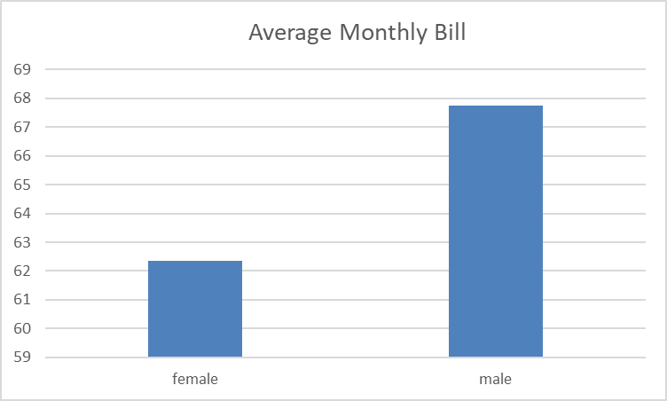
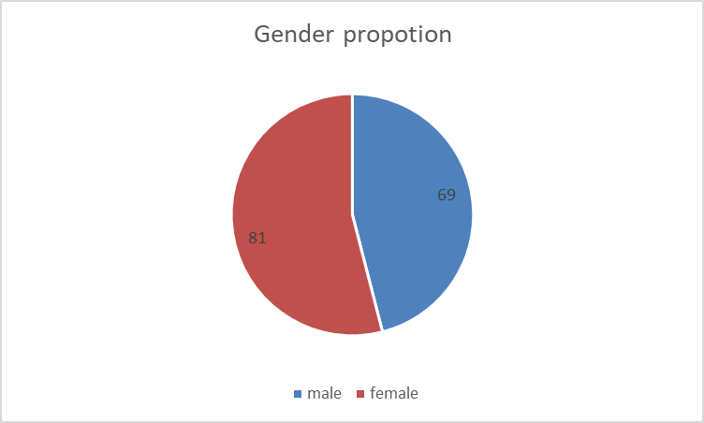
gender propotion
male | 69
female | 81

 |  | avareage MONTHLY BILL |  | AVERAGE MONTHLY INCOME | Column1
 |  | female | 62.346341463 | female | 1416.6007317
 |  | male | 67.742142857 | male | 1120.8971429

